Explanatory note
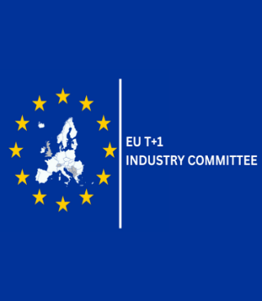 The EU T+1 Industry Committee T+1 Checklists 1 July 2026
Checklists in this document are intended as a supporting tool to assist market participants in their preparation for the transition to a T+1 settlement cycle. They are designed to highlight key considerations, questions, and areas of focus across the trade lifecycle, based on the recommendations of the EU T+1 High‑Level Road Map* and the work progressed by the relevant technical workstreams and task forces. As regards Corporate Events, the checklist represents a set of requirements taken from T+1 – Corporate Events Harmonised Implementation Guide** (see Corporate Events worksheet for more information). For all other checklists, it is noted that they are not exhaustive and do not represent a complete or prescriptive set of requirements. They should not be interpreted as a minimum standard, a compliance assessment, or a definitive statement of obligations. Not all items will be applicable to all firms, business models, market roles, or jurisdictions. Market participants are expected to assess the relevance of each checklist item in light of their own operating model, activities, counterparties, and local market arrangements, and to determine the appropriate actions accordingly. The checklists should therefore be used as a reference and prompt for internal analysis and discussion, rather than as a one‑size‑fits‑all implementation guide. Please note that blank cells shaded with light grey mean that no recommendation applies for that role or lifecycle stage.
*Link to EU T+1 Industry Committee High Level Road Map
**Link to Advisory Group on Market Infrastructures for Securities and Collateral, T+1 - Corporate Events Harmonised Implementation Guide

To navigate to the worksheet of a specific technical workstream, open the worksheet from the respective tab or click on the workstream below
Trading
Matching
Clearing
Settlement
Asset Management
FX
Corporate Events
Partial Settlements (TF)

The contents of this document are intended solely for general information and do not constitute legal, financial, investment, tax, regulatory, business or other professional advice. No guarantees, representations or warranties are made regarding the accuracy, completeness, suitability or timeliness of the content. Unless explicitly stated otherwise, the views expressed do not represent official positions of Members or Observers of the EU T+1 Industry Committee, but rather reflect the common perspective of the Industry Committee. Readers must consult qualified professionals before acting on any information provided. Contributors, affiliated entities and members of the Committee disclaim any obligation to update the content and accept no liability arising from or relating to the use of this document or its contents. Your receipt of this document is subject to the Terms of Use which are applicable to the EU T+1 Industry Committee website (available at https://www.eu-t1.eu/terms-of-use)

